Module 23
Main
 | Module 23 - Revenue from Contracts with Customers

 | Step 1 - idenitify the contract with a customer
 | Step 2 – Identify the performance obligations in the contract
 | Step 3 – Determine transaction price
 | Step 4 – Allocate the transaction price to the performance obligations in the contract
 | Step 5 – Recognise revenue when (or as) the entity satisfies a performance obligation

 | Enforcable right and obligations between two parties
 | enforeced through law, regs, or past patterns of practice

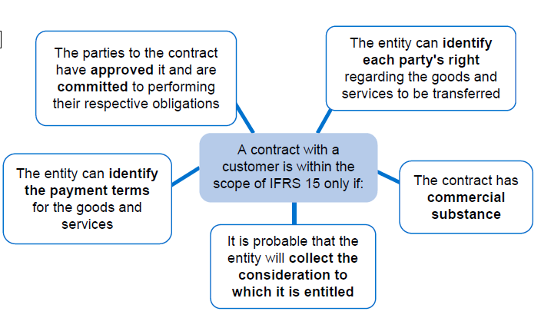

 | sale of building |  | 420000
 | no experience and no assets or income to actually pull this off.
 | cannot claim further compensation should lebowski default
 | written contract |  |  | ✔
 | payment terms |  |  | ✔
 | collection probability |  |  | ❌
 | commercial substance |  |  | ✔
 | identify each parties rights |  |  | ✔

 | There is not a contract for revenue. There is not ability to pay.
 | Lewbowski could walk away and we have no compensation
 | 1 criteria fails. So cannot be considered revenue.

 | Activity 1
 | Machinist | 2025-01-01 | 2025-12-31
 |  | 400,000 | 400,000
 | efficieny bonus | 16,000 | 0
 | transaction price | 416,000 | 400,000

 | transaction date | 2025-01-01

 | Need a contract asset as this is contingent on something happening in the future. We need to earn this income through meeting our targets.

 | dr - bank |  |  | 400,000
 | dr - contract asset |  |  | 16,000
 |  | cr - rev |  |  | 416,000

 | being initial journal to rcognise revnue

 | dr - rev |  |  | 16,000
 |  | cr - contract asset |  |  | 16,000
 | bein reassment of revenue transaction price

 | dr - bank/AR |  |  | total amount received / due from customer
 |  | cr - SPL revenue |  |  | amount expected to be retained
 |  | cr - refund liability |  |  | amount expected to be refunded

 | contract for sale | 2028-01-01
 | price | 5.5 | per unit
 | if | 1000000 | tubs in a year then price is £5
 | conditional price | 5
 | 96 | k tubs in Jan

 | AR |  |  |  | 528
 | Rev |  |  |  | 480
 | refund liability |  |  |  | 48

 | recognise the liability as we think they will achive the incentive target.

 |  |  |  | £'000 | £'000
 | dr - bank/AR |  |  | 528
 |  | cr - SPL revenue |  |  | 480
 |  | cr - refund liability |  |  | 48
 | being revenue recognised for the month ended 31/01/2028

 | Activity 2 | 0
 | sale | 100000
 | nothing to pay for two years
 | incremental cost to borrow | 6%
 | sale | 2022-01-01
 | payment | 2024-01-01

 |  | 89,000 | =NPV(C105,C102:C103)
 |  | 89,000 | =+C103/(1+C105)^2
 | 2022-12-31
 | dr - AR |  |  | 89,000
 |  | cr - rev |  |  | 89,000

 | dr - AR |  |  | 5,340
 |  | cr - SPL finacne income |  |  | 5,340 | <<<may need to pro-rate finance income

 | 2023-12-31
 | dr -Ar |  |  | 5,660
 |  | cr - SPL finance income |  |  | 5,660

 |  | open AR | effective interest | nominal receipt | Close trade receiveable
 | 2022-12-31 | 89,000 | 5,340 | 0 | 94,340
 | 2023-12-31 | 94,340 | 5,660 | 0 | 100,000

 | Dr - bank |  |  | 100,000
 |  | cr - Ar |  |  | 100,000
 | being receipt from customer on 01/01/2024 |  |  |  |  | <<<no interest in 2024 as payment made at the start of the year.

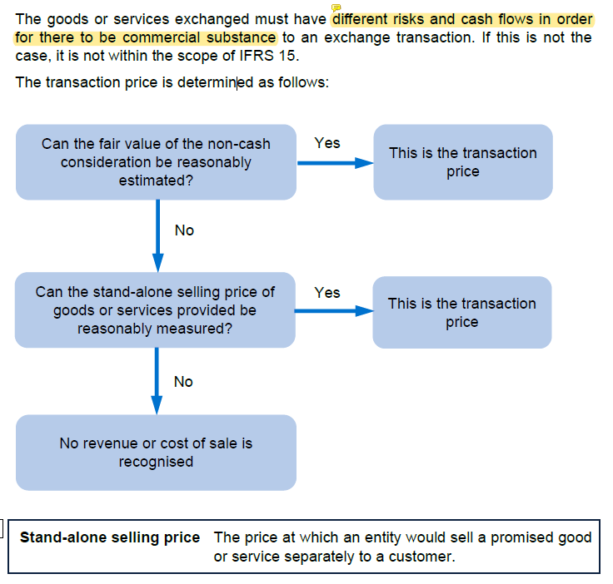

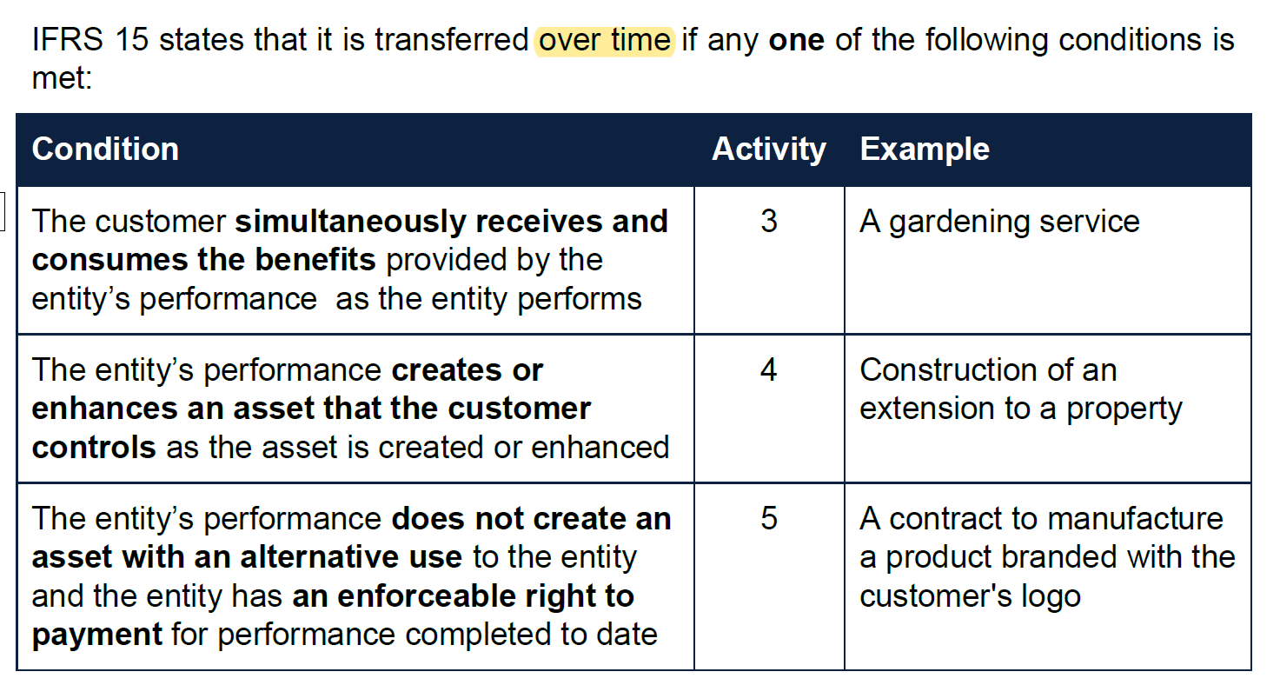

 | Activity 4
 | YE |  |  | 2029-09-30
 | contract price |  |  | 35,000,000
 | expected costs |  |  | 29,000,000
 | POC |  | 2029-09-30 | 75.00%
 | POC |  | 2028-09-30 | 50.00%

 |  |  | 2029-09-30 | 26,250,000
 |  |  | 2028-09-30 | 17,500,000
 |  |  |  | 8,750,000

 | dr -contract asset / accrued income |  |  | 8,750,000
 |  | cr - revenue |  |  | 8,750,000
 | being POC recognition as at 30/09/2029
 | only recognising the difference

 | Activity 5
 | YE | 2023-10-31

 |  | hours | rate £ | Total
 | J | 400 | 110 | 44,000
 | S | 200 | 160 | 32,000
 | GM | 20 | 240 | 4,800
 | PA | 10 | 350 | 3,500
 |  |  |  | 84,300

 | Step 3
 | Determine the transaction price |  |  | 84,300

 | Step 4
 | Allocate the transaction price to the performance oblifatoin in th econtract

 | Step 5
 | Recognise revenue when (or as) the entity satisfies a performance obligation

 | acutal
 | J | 120 | 110 | 13,200
 | S | 45 | 160 | 7,200
 | GM | 4 | 240 | 960
 | PA | 2 | 350 | 700
 |  |  |  | 22,060

 | dr - contract asset |  |  | 22,060
 |  | cr - revenue |  |  | 22,060
 | being revenue recognised fgor the year ended 31/10/2023

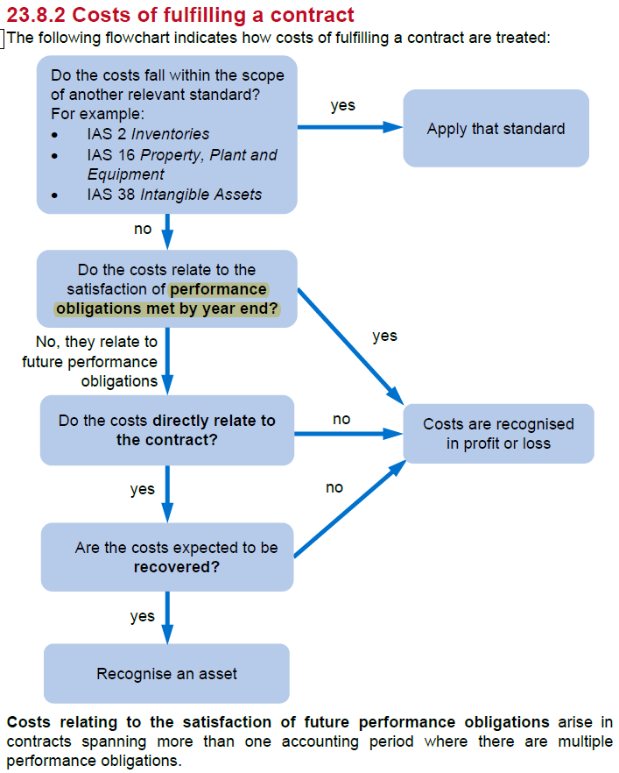

 | transactions price |  | 5,000
 | revenue recognised correclty in the year |  | -2,000
 | revenue not yet recognised |  | 3,000
 | unavoidable futur econtract costs |  | 3,850
 | Provision for onerous contract |  | 850

 | dr - SPL COGS |  |  | 850
 |  | cr - Prov'n for onerous contract |  |  | 850
 | being recognition of provsion for onerous contract

 | Activity 6
 |  |  | Contract A | Contract B
 | total contract price |  | 800 | 400
 | direct labout cost incurred |  | 200 | 5
 | Direct materials cost incurred |  | 290 | 20
 | admin cost incurred |  | 10 | 5 | <<<recoverable
 | wastage of materials |  | 22 | 3
 | anticipated future direct costs |  | 90 | 270
 | amounts billed to customer in line with contract |  | 600 | 75
 | receipts from customer |  | 510 | 0

 | total anticpiated cost |  | 590 | 300
 | costs incurred |  | 500 | 30 | 530
 | POC |  | 84.75% | 10.00%

 | is profitable |  | 210 | 100 | yes, both profitable. No onerous contract

 | recognisable revenue |  | 678 | 40 | 718

 | invoiced |  | 600 | 75 | 675
 | receipts |  | 510 | 0 | 510
 | AR |  | 90 | 75

 | Revenue from contracts with customers
 | dr - contract asset A |  |  | 678
 | dr - contract asset B |  |  | 40
 |  | cr - reveneu |  |  | 718
 | bein revenue recognised for th eyear ended 31/12/2021

 | Cost of sales
 | dr - COGS |  |  | 530
 |  | cr - AR |  |  | 530
 | being cost incurred for the year ended 31/12/2021

 | Trade revceivables
 | dr - AR |  |  | 675
 |  | cr - contract asset A |  |  | 600
 |  | cr - contract asset B |  |  | 75
 | being amounts billed to customers for the year ended 31/12/2021

 | dr - bank |  |  | 510
 |  | cr - AR |  |  | 510
 | being receipts from customers

 |  |  | Contract A | Contract B
 | revenue recognised |  | 678 | 40
 | amounts billed to customers |  | 600 | 75
 | non contract balance |  | -78 | 35

 | amounts billed to customers |  | 600 | 75
 | receipts from customers |  | 510 | 0
 | net AR |  | -90 | -75

